Price Movement Analysis
...
No of trades | Dividend Payment History (Past 2 Years) |  |  |  |  | Column1 | Column2
13,991
17,968 | Share Repurchase Buyback (Past 2 Years) |  |  | No share buyback program initiated during the past two years.
8,265
10,769
7,042
9,415 | Mergers, Acquisitions & Corporate Actions |  |  | No major acquisitions or divestitures announced during the review period.
10,519
10,222
26,084
13,106
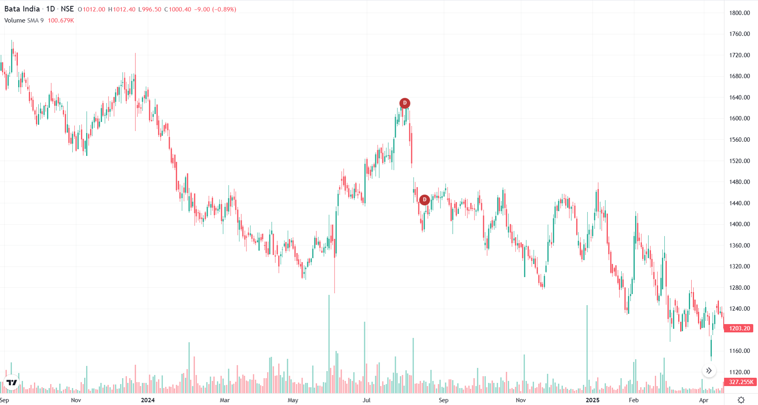
20,476
48,875 | Week Number | Date | Weekly Close | Weekly Return (%)
34,343 | 0 | 28/3/2024 | 1364.2
32,457 | 1 | 2024-04-05 | 1359.4 | -0.35185456678
9,654 | 2 | 2024-04-12 | 1387.5 | 2.0670884214
14,791 | 3 | 2024-04-19 | 1320.4 | -4.836036036
12,533 | 4 | 2024-04-26 | 1363.4 | 3.2565889125
19,690 | 5 | 2024-05-03 | 1338.35 | -1.8373184685
11,616 | 6 | 2024-05-10 | 1309.1 | -2.1855269548
13,883 | 7 | 2024-05-17 | 1353.05 | 3.3572683523
18,069 | 8 | 2024-05-24 | 1346.4 | -0.49148220687
24,978 | 9 | 2024-05-31 | 1365.45 | 1.4148841355
16,059 | 10 | 2024-06-07 | 1465.9 | 7.356549123
8,139 | 11 | 2024-06-14 | 1451.8 | -0.96186643018
13,695 | 12 | 2024-06-21 | 1461.2 | 0.6474721036
8,023 | 13 | 2024-06-28 | 1513.75 | 3.5963591569
26,401 | 14 | 2024-07-05 | 1507.65 | -0.40297274979
59,952 | 15 | 2024-07-12 | 1516.1 | 0.56047491129
38,656 | 16 | 2024-07-19 | 1523.8 | 0.50788206583
18,967 | 17 | 2024-07-26 | 1608.35 | 5.5486284289
21,165 | 18 | 2024-08-02 | 1619.2 | 0.67460440824
23,320 | 19 | 2024-08-09 | 1443 | -10.881916996
10,924 | 20 | 2024-08-16 | 1421.15 | -1.5142065142
14,344 | 21 | 2024-08-23 | 1452.95 | 2.2376244591
7,790 | 22 | 2024-08-30 | 1452.65 | -0.020647647889
14,981 | 23 | 2024-09-06 | 1406.25 | -3.1941623929
15,202 | 24 | 2024-09-13 | 1437.95 | 2.2542222222
8,475 | 25 | 2024-09-20 | 1426.1 | -0.82408985013
6,580 | 26 | 2024-09-27 | 1449.55 | 1.6443447164
10,729 | 27 | 2024-10-04 | 1364.55 | -5.8638887931
13,104 | 28 | 2024-10-11 | 1406.1 | 3.0449598769
 | VOLUME
28-Mar-25 | 405,048
27-Mar-25 | 149,782
26-Mar-25 | 111,424
25-Mar-25 | 104,508
24-Mar-25 | 114,547
21-Mar-25 | 130,336
20-Mar-25 | 98,728
19-Mar-25 | 127,773
18-Mar-25 | 89,849
17-Mar-25 | 125,011
13-Mar-25 | 109,731
12-Mar-25 | 164,096
11-Mar-25 | 63,128
10-Mar-25 | 72,358
7-Mar-25 | 61,540
6-Mar-25 | 61,765
5-Mar-25 | 90,411
4-Mar-25 | 85,795
3-Mar-25 | 179,183
28-Feb-25 | 153,312
27-Feb-25 | 351,668
25-Feb-25 | 1,046,583
24-Feb-25 | 533,086
21-Feb-25 | 595,310
20-Feb-25 | 129,345
19-Feb-25 | 197,385
18-Feb-25 | 499,929
17-Feb-25 | 198,184
14-Feb-25 | 127,682
13-Feb-25 | 216,551
12-Feb-25 | 247,157
11-Feb-25 | 324,175
10-Feb-25 | 160,276
7-Feb-25 | 86,962
6-Feb-25 | 160,062
5-Feb-25 | 84,644
4-Feb-25 | 354,217
3-Feb-25 | 998,808
1-Feb-25 | 916,732
31-Jan-25 | 260,783
30-Jan-25 | 385,248
29-Jan-25 | 347,931
28-Jan-25 | 244,554
27-Jan-25 | 185,578
24-Jan-25 | 116,664
23-Jan-25 | 426,525
22-Jan-25 | 222,066
21-Jan-25 | 116,474
20-Jan-25 | 84,532
17-Jan-25 | 93,613
...
15,886 | 29 | 2024-10-18 | 1464.95 | 4.1853353247
12,547 | 30 | 2024-10-25 | 1364.75 | -6.8398238848
17,722 | 31 | 2024-11-01 | 1356.75 | -0.58618794651
18,225 | 32 | 2024-11-08 | 1336.3 | -1.5072784227
10,447 | 33 | 2024-11-15 | 1307.35 | -2.1664296939
13,935 | 34 | 2024-11-22 | 1301.45 | -0.45129460359
9,174 | 35 | 2024-11-29 | 1410.85 | 8.4060086826
35,856 | 36 | 2024-12-06 | 1447 | 2.5622851473
23,598 | 37 | 2024-12-13 | 1432.45 | -1.00552868
14,646 | 38 | 2024-12-20 | 1342.25 | -6.2969039059
10,446 | 39 | 2024-12-27 | 1381.3 | 2.9092940957
14,701 | 40 | 2025-01-03 | 1460.8 | 5.7554477666
26,393 | 41 | 2025-01-10 | 1425.9 | -2.389101862
119,404 | 42 | 2025-01-17 | 1310.8 | -8.0720948173
11,754 | 43 | 2025-01-24 | 1281.35 | -2.2467195606
11,390 | 44 | 2025-01-31 | 1296.8 | 1.2057595505
6,508 | 45 | 2025-02-07 | 1334.5 | 2.9071560765
8,751 | 46 | 2025-02-14 | 1320.05 | -1.0828025478
12,118 | 47 | 2025-02-21 | 1298.1 | -1.6628158024
6,401 | 48 | 2025-02-28 | 1221.1 | -5.9317463986
4,803 | 49 | 2025-03-07 | 1233.1 | 0.98272049791
6,557 | 50 | 2025-03-14 | 1236.45 | 0.27167301922
6,869 | 51 | 2025-03-21 | 1243.4 | 0.56209308909
6,449 | 52 | 2025-03-28 | 1219.9 | -1.8899790896
5,223
7,519
7,353 |  |  |  |  | The price-movement data indicates that the stock has been trading in a stable downward-to-sideways trend during the observed period. Daily price fluctuations are moderate, with intraday highs and lows staying close to the opening price, reflecting low volatility and limited speculative activity. Trading volumes vary significantly, showing that market participation is not consistent, which often signals a lack of strong investor conviction. The stock’s 52-week range of 1177 to 1633 suggests a wide price band, meaning the stock has corrected substantially from its yearly high and is currently trading closer to the lower end of the range. This indicates bearish sentiment or profit-booking in recent months. Dividend history in the sheet shows regular payouts, implying that the company maintains steady profitability and shareholder-return policies. Corporate action dates such as record dates and book-closure periods reflect standard dividend-processing cycles, confirming that the firm follows predictable financial practices.
12,509
9,617 | Quarter | Quarter End | Key Result Summary | Market Reaction
19,128 | Q1 FY25 | 30 June 2024 | Revenue slightly down YoY; Net profit surged due to one-time property gain | Muted to slightly positive (one-time gain not seen as sustainable)
16,748 | Q2 FY25 | 30 September 2024 | Revenue up ~1–2% YoY; Profitability weak | Share price fell ~3% after results
21,312 | Q3 FY25 | 31 December 2024 | Revenue up ~1.7% YoY; PAT up ~1.2% YoY | Shares rose ~1.7% post announcement
...

Portfolio Analysis
...
 |  |  |  |  | risk-free rate | 0.065
BHEL | Dabur India Ltd | Mazdock
0.27767571534 | 0.28432084503 | 0.14947812744
0.2642075075 | 0.20184706611 | 0.18110013388
1 | 0.15441811934 | 0.35719822274
0.15441811934 | 1 | 0.055493173185
0.35719822274 | 0.055493173185 | 1
...
New Portfolio Weights
 |  |  |  |  | risk-free rate | 0.065
Rank | New Portfolio Weights |  | Values for using solver function
...
 |  |  |  |  | risk-free rate | 0.065
2 | 0.37066623729 |  | Metrics | Values
3 | 0.094186040761 |  | Returns (HPY) | 0.033348710156
4 | 0.027522067704 |  | Stnd. Deviation | 0.010422019188
1 | 0.48530516473 |  | Sharpe Ratio | -3.0369633054
5 | 0.022320489518 |  | Variance | 0.00010861848396
 | 1
...
 |  |  |  |  | risk-free rate | 0.065
 |  | Part III-C-(a)
...
 |  |  |  |  | risk-free rate | 0.065
 |  | Mimicking the sharpe ratio of nifty and sensex.
...
New Portfolio Weights
 |  |  |  |  | risk-free rate | 0.065
Rank | New Portfolio Weights |  | Values for using solver function
...
 |  |  |  |  | risk-free rate | 0.065
1 | 0.39196961141 |  | Metrics | Value
3 | 0.1503335189 |  | Returns (HPY) | 0.067834807358
4 | 0.059090194765 |  | Stnd. Deviation | 0.010577819593
2 | 0.39095356162 |  | Sharpe Ratio | 0.2679954345
5 | 0.0076531133014 |  | Variance | 0.00011189026735
 | 1
...
 |  |  |  |  | risk-free rate | 0.065
 |  | Part III-C-(b)
...
 |  |  |  |  | risk-free rate | 0.065
 |  | Minimum variance portfolio
...

